UI Mockups
User Story Card - UI Mockup
Create screen shots of the proposed user interface (UI) for this story
Instructions:
1) Determine what the baseline of the mockup should be and document over on the right. (OOTB) This screen shot(s) is just for reference.
2) Create screen shots of the proposed user interface (UI) for this story directly below. Add associated requirement # for new and modified fields from the 'UI Fields' tab

1. Charges table ("master" table located in top portion of 'Charges' screen)
Proposed UI | Baseline (OOTB view)

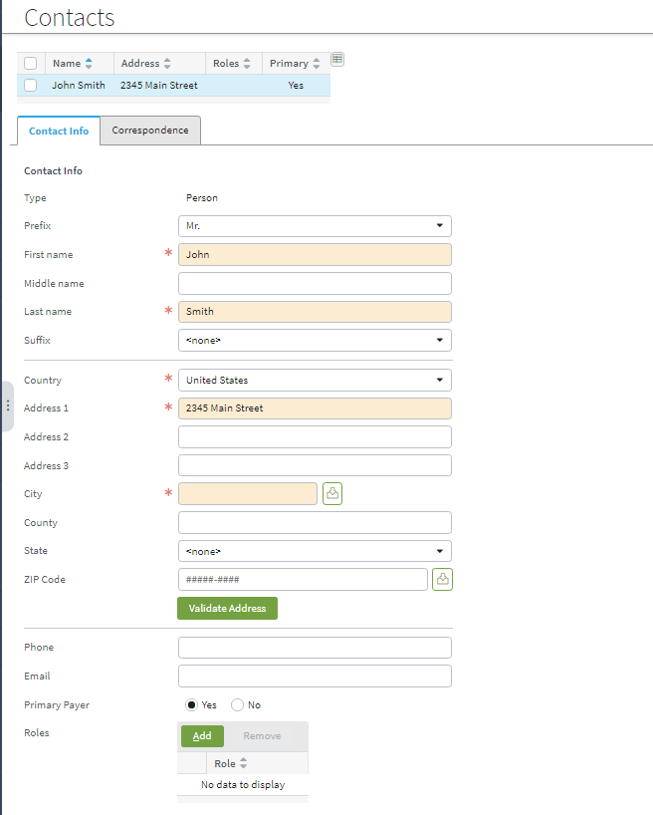

1 - Make State required (*)
2 - Make ZIP Code required (*)
 | CPBuildingPopup.pcf

